Overview
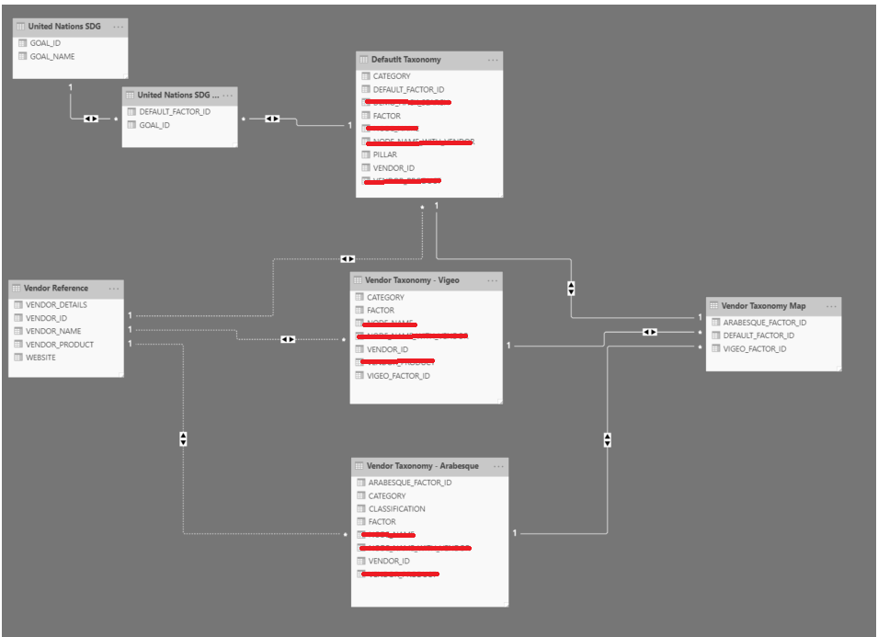
1. Taxonomy APIs
a) Default taxonomy list
§ Assuming a 3 level (pillar/category/factor) hierarchy
§ Keyed by unique ID for lowest level factor row, DEFAULT_FACTOR_ID
b) Vendor taxonomy list(s)
§ No assumptions on vendor levels or hierarchies
§ Uniformity not expected between vendor formats
§ Keyed by unique name space IDs for lowest level factor row, e.g. VENDOR_X_FACTOR_ID, VENDOR_Y_FACTOR_ID
c) Taxonomy mapping table
§ Simple and single mapping table with “1+n” columns where n is the number of vendors in the system
§ Lists all relationships between DEFAULT_FACTOR_ID and the n column IDs (e.g. VENDOR_X_FACTOR_ID, VENDOR_Y_FACTOR_ID)
§ Strictly used in the “search” section factor mappings
d) UN SDG lists
§ One list for the 17 sustainable development goals (GOAL_ID, GOAL_NAME)
§ Another list for the many-to-many goal to default factor mappings (GOAL_ID, DEFAULT_FACTOR_ID)
e) SASB lists
§ <work in progress>

